Sheet1
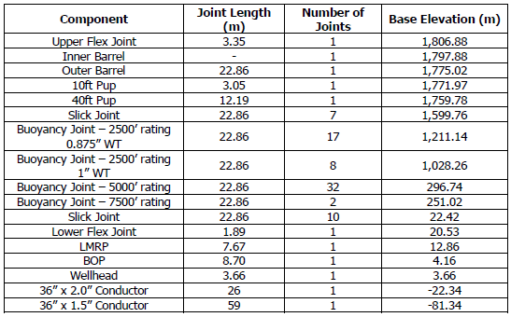
Water Depth | 1783 | m

Internal Fluids Density

Joint Properties
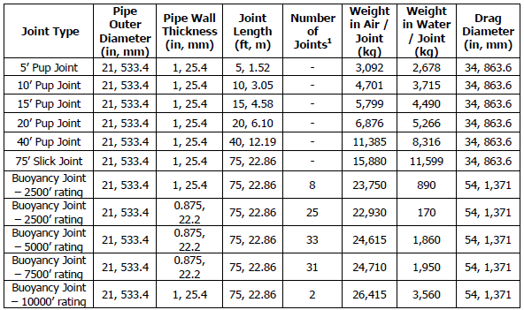

Auxilary lines properties

Flex Joint Properties

Telescopic joint properties
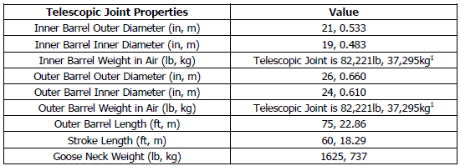

Tensioner properties
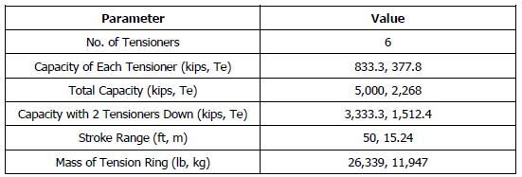

BOP and LMRP properties

BOP and LMRP Capacity limits

Conductor properties
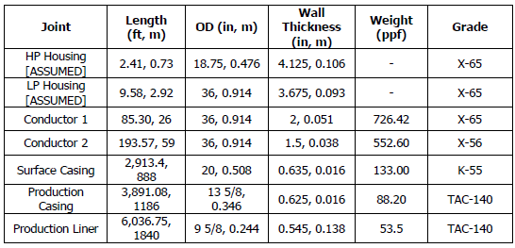

Conductor Capacity limits

Gimbal Bearing specification

Vessel Properties
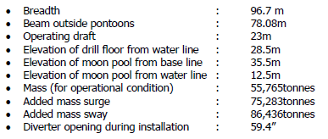

Riser Stackup

Riser Stackup

